Sheet1
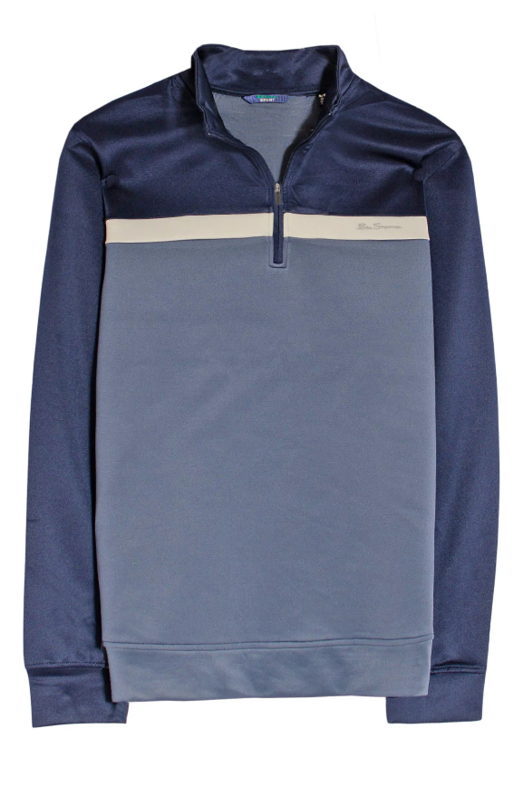

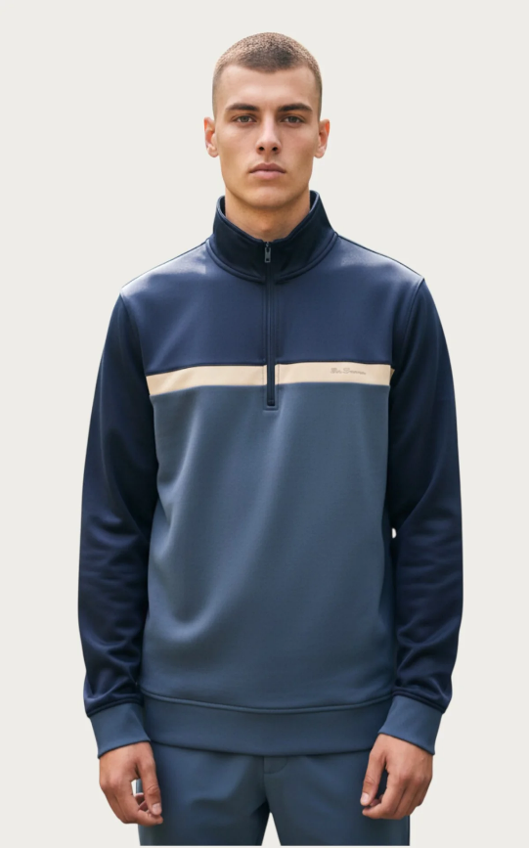
Blue Two tone quarter zip sweatshirt |  | S | M | L | XL | 2XL | TOTAL
 |  | 210 | 1410 | 1890 | 1140 | 360 | 5010

EAN
S | 198108094516
M | 198108094523
L | 198108094530
XL | 198108094547
2XL | 198108094554

